Master Pages
 | User input | auto calculated | From another Table |  | From look up table

Heading First Page Only
STATE OF CALIFORNIA
Domestic Water Heating System
NRCC-PLB-01-E (Created XX/XX) |  |  |  | CALIFORNIA ENERGY COMMISSION
CERTIFICATE OF COMPLIANCE |  |  |  |  | NRCC-PLB-E
This document is used to demonstrate compliance for nonresidential occupancies with requirements in §110.1, §110.3, §120.3, and §140.5, and with requirements in §141.0 for additions and alterations, for domestic water heating scopes using the prescriptive path. For high-rise residential and hotel/motel occupancies, compliance is demonstrated with requirements in §110.1, §110.3, §120.3, §150.0 and §150.1(c)8, and with requirements in §150.2 for additions and alterations.
Project Name: |  |  |  | Report Page: | Page 1 of ??
Project Address: |  |  |  | Date Prepared:

Heading All Other Pages
STATE OF CALIFORNIA
Domestic Water Heating System
NRCC-PLB-01-E (Created XX/XX) |  |  |  | CALIFORNIA ENERGY COMMISSION
CERTIFICATE OF COMPLIANCE |  |  |  |  | NRCC-PLB-E
Project Name: |  |  |  | Report Page: | Page 2 of ??
Footer All Pages
Project Address: |  |  |  | Date Prepared:

CA Building Energy Efficiency Standards - 2019 Nonresidential Compliance: http://www.energy.ca.gov/title24/2019standards

D. Exceptional Conditions
 | User input | auto calculated | From another Table | From look up table

?
D. EXCEPTIONAL CONDITIONS
This table is auto-filled with uneditable comments because of selections made or data entered in tables throughout the form.

Table B indicates a solar water heating system will be used to comply with Title 24, Part 6. These systems shall be documented on the NRCC-SRA-E compliance document. |  |  |  |  | << triggered if Table B row 13 "Alert…" is triggered
Table B indicates a combined hydronic system will be used to comply with Title 24, Part 6. These systems shall be documented on the NRCC-MCH-E compliance document. |  |  |  |  | << triggered if Table B row 14 "Alert…" is triggered
Tables A and B indicate the project is a new State building. This requires 60% of energy for service water heating from site solar energy or recovered energy per §110.3(c)6. |  |  |  |  | << triggered if Table A says "State Building" in column 03 AND "New System" is selected in Table B column 01
Table F indicates a heat pump water heater replacement in Climate Zone 16. In addition to meeting the minimum Uniform Energy Factor (UEF), this requires a solar water heating system with solar savings fraction > 0.4. Document the solar water heating system on the NRCC-SRA compliance document.
 | ^^ triggered by Table F column 02 Equipment Type
Table F indicates an electric water heater is being used because natural gas is not available to the water heater location. |  |  |  | <<triggered by Table F row 10 or 11 being marked in column 01
Table Tip:
Table D is auto-filled with warnings and compliance notes directed to the form user and the enforcement agency based on data inputs and calculations in the rest of the NRCC-PLB. It may not be directly edited by the form user.

E. Additional Remarks
 | User input | auto calculated | From another Table | From look up table

?
E. ADDITIONAL REMARKS
This table includes remarks made by the permit applicant to the Authority Having Jurisdiction.

Tool Tip:
Table E allows user input of additional information to support the compliance documentation.

F. Equipment
F. DOMESTIC HOT WATER EQUIPMENT
Table Instructions: Complete the following table to demonstrate compliance with mandatory equipment requirements in §110.1 and §110.3. For high-rise residential and hotel/motel occupancies, compliance with prescriptive requirements in §150.1(c)8 must also be demonstrated and with §150.2 for addition and alteration scopes.
Equipment Schedule: Individual Systems
01 | 02 |  | 03 | 04 | 05 | 06
Name or Item Tag | Equipment Type |  | Volume (gal) | Max GPM/ First Hour Rating (FHR) | Rated Uniform Energy Factor (UEF) | Minimum Required Uniform Energy Factor (UEF)1
 | See dropdown |  | See dropdown | See dropdown |  | Ben, values come from CEC Water Heater Efficiency Guide, screenshot below in blue
1 FOOTNOTE: Compliant equipment may be found in the Modernized Appliance Efficiency Database System (MAEDBS) on the Energy Commission website: https://cacertappliances.energy.ca.gov/Pages/Search/AdvancedSearch.aspx |  |  |  |  |  | Reset Table | Add Row | Remove Last

Equipment Schedule: Central Systems
07 | 08 | 09 | 10 | 11 | 12 | 13 | 14 | 15
Name or Item Tag | Equipment Type | Volume (gal) | Rated Input Capacity (Btu/h) | Rated Efficiency (%) | Minimum Efficiency Required (%) | Efficiency Unit | Designed Standby Loss | Maximum Standby Loss
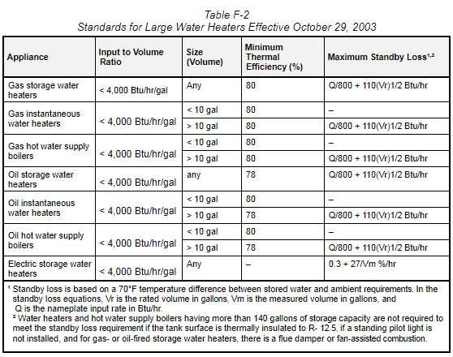
 | See dropdown |  |  |  | Ben, values come from Table F-2 OR Table 110.2-K (see column P) depending on column 08 | Ben, values come from Table F-2 OR Table 110.2-K (see column P) depending on column 08 |  | See Table F-2 in column P
 |  |  |  |  |  | Reset Table | Add Row | Remove Last

Water Heating Equipment in Individual Dwelling Units1
Equipment Type (select all that apply):
16 | ¨ | Gas/propane instantaneous water heater with input rating ≤ 200,000 BTUH and no storage tank. Note: Can not comply using the prescriptive path with a storage tank per §150.1(c)8Ai (New Construction Only)
 | ¨ | Gas/propane storage type water heater with input rating ≤ 75,000 BTUH (New Construction only)
 |  | ¨ | Rated volume ≤ 55 gal
 |  | ¨ | Rated volume > 55 gal
 | ¨ | A single heat pump water heater with storage tank located in the garage or conditioned space. (New Construction Only)
 |  | ¨ | Water heater meets the requirements of NEEA Advanced Water Heater Specification Tier 3 or higher.
 | ¨ | A single heat pump water heater with storage tank located in the garage or conditioned space and be placed on an incompressible, rigid insulated surface with minimum R-10. (Alterations in climate zones 1-15 Only)
 |  | ¨ | Water heater meets the requirements of NEEA Advanced Water Heater Specification Tier 3 or higher.
 | ¨ | No gas connection to building for second water heater in dwelling unit addition only. Electric water heater must meet Title 20 Appliance Efficiency requirements (see Equipment Schedule above) per §150.2(a)1D. (Alterations only)
 | ¨ | No gas connection to existing water heater location for replacement water heater. Consumer electric water heater must meet Title 20 Appliance Efficiency requirements (see Equipment Schedule above) per §150.2(b)1H. (Alterations only)
17 | Yes | No | Not Applicable | Requirement
 | ¨ | ¨ | ¨ | For gas or propane water heaters serving individual dwelling units, the follow components are included in the design per §150.0(n)1: (New Construction only) - Dedicated 125V, 20 amp electrical receptacle that is connected to the panel with a 120/240V 3 conductor, 10 AWG copper branch circuit within 3 ft from the water heater that's accessible and with both ends of the unused conductor labeled with the word "spare" and be electrically isolated. A single pole circuit breaker space in the panel adjacent to the circuit breaker for the branch circuit is provided labeled with the word "future 240V use"; and - Category III or IV vent, or Type B vent with straight pipe between the outside termination and where the water heater is installed; and - Condensate drain that is no more than 2in higher than the base of the water heater and drains without pump assistance; and - Gas supply line with a capacity of at least 200,000 BTUH
1 FOOTNOTE: Dwelling units refers to hotel/ motel guest rooms and units in a high-rise residential occupancy.

Water Heating Equipment All Occupancies
 | Yes | No | Not Applicable | Requirement
18 | ¨ | ¨ | ¨ | Unfired storage tank insulation shall have Internal + External ≥ R-16 OR External ≥ R-12. Label required per §110.3(c)3
19 | ¨ | ¨ | ¨ | New state buildings 60% of energy for service water heating from site solar energy or recovered energy per §110.3(c)5
20 | ¨ | ¨ | ¨ | Isolation valves for instantaneous water heater with input rating > 6.8 kBTUH or 2 kW has been specified per §110.3(c)6

Equipment Type Dropdown for Column 02 |  |  | Volume Dropdown for Column 03 | Max/ FHR Dropdown (Col 04)
Gas-Fired Instantaneous (50,000-200,000 BTUH) |  |  | < 2 | 0 < GPM <1.7
Gas-Fired Storage (< 75,000 BTUH) |  |  | Volume Dropdown for Column 03 | 1.7 < GPM <2.8
Residential-Duty Commercial Gas-Fired Storage (75,000-105,000 BTUH) |  |  | 30 | 2.8 < GPM < 4.0
Electric Instantaneous (<12kW) |  |  | 40 | GPM > 4.0
Residential-Duty Commercial Electric Instantaneous (12-58.6kW) |  |  | 50 | Max/ FHR Dropdown (Col 04)
Electric Storage |  |  | 55 | 0 < FHR < 18
Electric Tabletop Water Heater |  |  | 60 | 18 < FHR < 51
Replacement with Heat Pump Water Heater |  |  | 75 | 51 < FHR < 75
 |  |  | 80 | FHR > 75
 |  |  | Volume Dropdown for Column 03
 |  |  | 50
 |  |  | 60
Replacement Heat Pump WHs |  |  | 75
CZ | Min Req. UEF |  | 80
1 | 2.82 |  | Volume Dropdown for Column 03
2 | 2.82 |  | 30
3 | 2.82 |  | 40
4 | 2.87
5 | 2.82
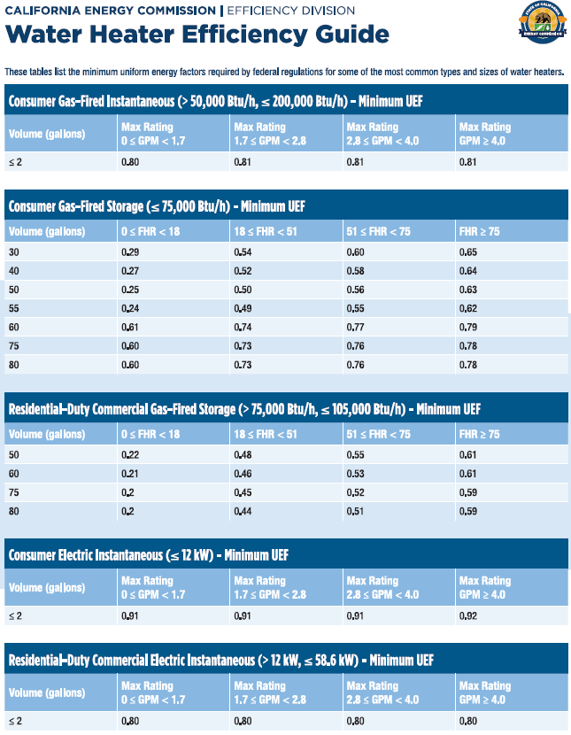
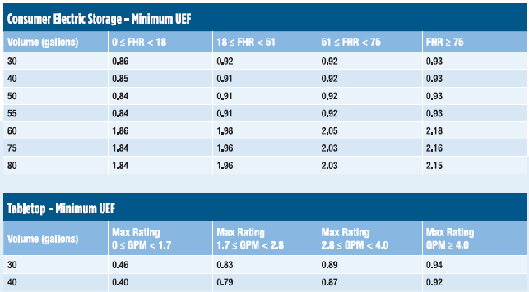
6 | 2.47
7 | 2.61
8 | 2.47
9 | 2.47
10 | 2.47
11 | 2.61
12 | 2.87
13 | 2.61
14 | 2.61
15 | 2.47
16 | 3 | << triggers exceptional condition note in Table D. Table D tab row 12

 | Equipment Type Dropdown for Column 08
Table F-2 | Gas Storage Water Heater
 | Gas Instantaneous Water Heater
 | Gas Hot Water Supply Boilers
 | Electric Storage Water Heater
Table 110.2-K | Residential-duty Gas Hot Water Supply Boilers (<300k Btu/h)
 | Commercial Package Gas Hot Water Supply Boilers (300k-2.5k Btu/h)

1

G. Dist Syst
G. DOMESTIC HOT WATER DISTRIBUTION SYSTEM
Table Instructions: Complete the following table to demonstrate compliance for nonresidential occupancies with distribution requirements in §120.3 and §140.5. For high-rise residential and hotel/motel occupancies, compliance is demonstrated with requirements in §110.3(c), §120.3, §150.0, §150.1.
Recirculation Loops in Central Systems Serving Dwelling Units or Nonresidential Spaces
 | Yes | No | Not Applicable | Requirement
01 |  |  |  | Air release valve or verticle pump installation per §110.3(c)4A
02 |  |  |  | Check valve or similar located between recirculation pump and water heating equipment to prevent backflow per §110.3(c)4B
03 |  |  |  | Hose bibb installed between pump and equipment and isolation valve between hose bibb and equipment per §110.3(c)4C
04 |  |  |  | Isolation valves on both sides of the pump per §110.3(c)4D
05 |  |  |  | Cold water and recirculation loop piping shall not be connected to the hot water storage tank drain port per §110.3(c)4E
06 |  |  |  | Check valve installed on cold water supply between hot water system and next closest tee on cold water supply per §110.3(c)4F
07 |  |  |  | For central systems serving multiple dwelling units, design includes two or more recirculation loops serving separate dwelling units per §150.1(c)8Bii unless building has < 8 dwelling units.
Distribution in Individual Dwelling Units
 | Yes | No | Not Applicable | Requirement
08 |  |  |  | The dwelling unit is designed to have fenestration products with a weighted average U-factor < 0.24 plus one of the following options per §150.1(c)8Aii: (New Construction Only)
 |  |  |  | ¨ | Compact hot water distribution system field verified by a HERS Rater per Reference Appendix RA4.4.16
 |  |  |  | ¨ | A drain water heat recovery system that is field verified by a HERS Rater per Reference Appendix RA3.6.9.
09 |  |  |  | One of the following options is included in the design per §150.1(c)8Aiv: (New Construction Only)
 |  |  |  | ¨ | Compact hot water distribution system field verified by a HERS Rater per Reference Appendix RA4.4.6 and a drain water heat recovery system that is field verified by a HERS Rater per Reference Appendix RA3.6.9.
 |  |  |  | ¨ | A photovoltaic system capacity of 0.3 kWdc (for climate zones 2-15) or 1.1 kWdc (for climate zones 1 & 16) larger than the requirement specified in §150.1(c)14.
10 |  |  |  | One of the following options is included in the design per §150.1(c)8Av: (New Construction Only)
 |  |  |  | ¨ | Compact hot water distribution system per Reference Appendix RA4.4.6 for projects in climate zones 1 and 16.
 |  |  |  | ¨ | A photovoltaic system capacity of 0.3 kWdc (for climate zones 1 & 16) larger than the requirement specified in §150.1(c)14.
Mandatory Pipe Insulation All Occupancies
11 | ¨ | For systems serving dwelling units, pipe insulation for the following applications is specified to have a minimum wall thickness of 1 in or a minimum R-value of 7.7 per §150.0(j)2A: - The first 5 ft of cold water pipes from storage tank - All hot water piping with nomial diameter of 3/4 in - 1 in - All hot water piping with nomial diameter < 3/4 in associated with DHW recirculation systems - Piping with nomial diameter < 3/4 from heating source to storage tank or btween tanks - Piping with nomial diameter < 3/4 buried below grade - All hot water pipes with nomial diameter < 3/4 from heating source to kitchen fixtures
12 | ¨ | For systems serving nonresidential spaces, pipe insulation for the following applications is specified to comply with Table 120.3-A (see below) per §120.3: - Recirculating system piping, including supply and return piping of the water heater - The first 8 ft of hot and cold outlet piping, including between storage tank and heat trap, for a nonrecirculating storage system - Inlet pipe between storage tank and heat trap in nonrecirculating storage system - Pipes that are externally heated
13 | ¨ | Insulation shall be protected from damage, including that due to sunlight, moisture, equipment maintenance, and wind. Insulation exposed to weather shall be installed with a cover suitable for outdoor service per §120.3(b) and §150.0(j)3
TABLE 120.3-A PIPE INSULATION THICKNESS
Fluid Temperature Range (oF) |  |  | Conductivity Range (Btu-in per hour per ft2 per oF) |  | Insulation Mean Rating Temp (oF) | Nominal Pipe Diameter (in)
 |  |  |  |  |  | < 1 | 1 to < 1.5 | 1.5 to < 4
 |  |  |  |  |  | Minimum Insulation Required
105-140 |  |  | 0.22-0.28 |  | 100 | 1.0 in or R-7.7 | 1.5 in or R-12.5 | 1.5 in or R-11

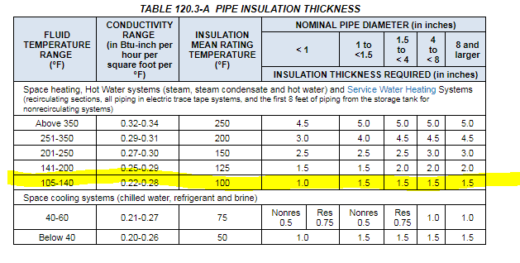

 | Table Tip:
 | Distribution in Individual Dwelling Units must be verified in the field by a HERS Rater. HERS stands for Home Energy Rating System which is a program developed to address poor construction quality and installation. A HERS Rater is an individual certified to conduct field verification of some requirements in the code, called "HERS measures".

I. NRCI
?
I. DECLARATION OF REQUIRED CERTIFICATES OF INSTALLATION
Table Instructions: Selections have been made based on information provided in previous tables of this document. If any selection needs to be changed, please explain why in Table E. Additional Remarks. These documents must be provided to the building inspector during construction and can be found online at https://www.energy.ca.gov/title24/2019standards/2019_compliance_documents/Nonresidential_Documents/NRCI/
Yes | No | Form/Title | Field Inspector
 |  |  | Pass | Fail
n |  | NRCI-PLB-01-E - Must be submitted for all buildings
¨ | n | NRCI-PLB-02-E - Must be submitted for high-rise residential and hotel/ motel central hot water distribution systems to be recognized for compliance.
¨ | n | NRCI-PLB-03-E - Must be submitted for high-rise residential and hotel/ motel single dwelling unit hot water distribution systems to be recognized for compliance.

Table Tip:
In addition to the Certificates of Compliance, the Standards also require a number of Certificates of Installation to be submitted to the authority having jurisdiction.
This section of the compliance documentation serves as an acknowledgement of, and a declaration that Certificates of Installation are required to be submitted for compliance with the nonresidential, high-rise residential and hotel/motel water heating Standards. The boxes must be checked for every Certificate of Installation that applies to the job.

Signature
?
DOCUMENTATION AUTHOR'S DECLARATION STATEMENT
Documentation Author Name: | Documentation Author Signature:
Company: | Signature Date:
Address: | CEA/ HERS Certification Identification (if applicable):
City/State/Zip: | Phone:
RESPONSIBLE PERSON'S DECLARATION STATEMENT I certify the following under penalty of perjury, under the laws of the State of California: 1. The information provided on this Certificate of Compliance is true and correct. 2. I am eligible under Division 3 of the Business and Professions Code to accept responsibility for the building design or system design identified on this Certificate of Compliance (responsible designer) 3. The energy features and performance specifications, materials, components, and manufactured devices for the building design or system design identified on this Certificate of Compliance conform to the requirements of Title 24, Part 1 and Part 6 of the California Code of Regulations. 4. The building design features or system design features identified on this Certificate of Compliance are consistent with the information provided on other applicable compliance documents, worksheets, calculations, plans and specifications submitted to the enforcement agency for approval with this building permit application. 5. I will ensure that a completed signed copy of this Certificate of Compliance shall be made available with the building permit(s) issued for the building, and made available to the enforcement agency for all applicable inspections. I understand that a completed signed copy of this Certificate of Compliance is required to be included with the documentation the builder provides to the building owner at occupancy.
Responsible Designer Name: | Responsible Designer Signature:
Company: | Date Signed:
Address: | License:
City/State/Zip: | Phone:

Tool Tip:
The compliance documentation is not complete until the Documentation Author and Responsible Designer fill out and sign the NRCC-PLB form.

